Print Page 1
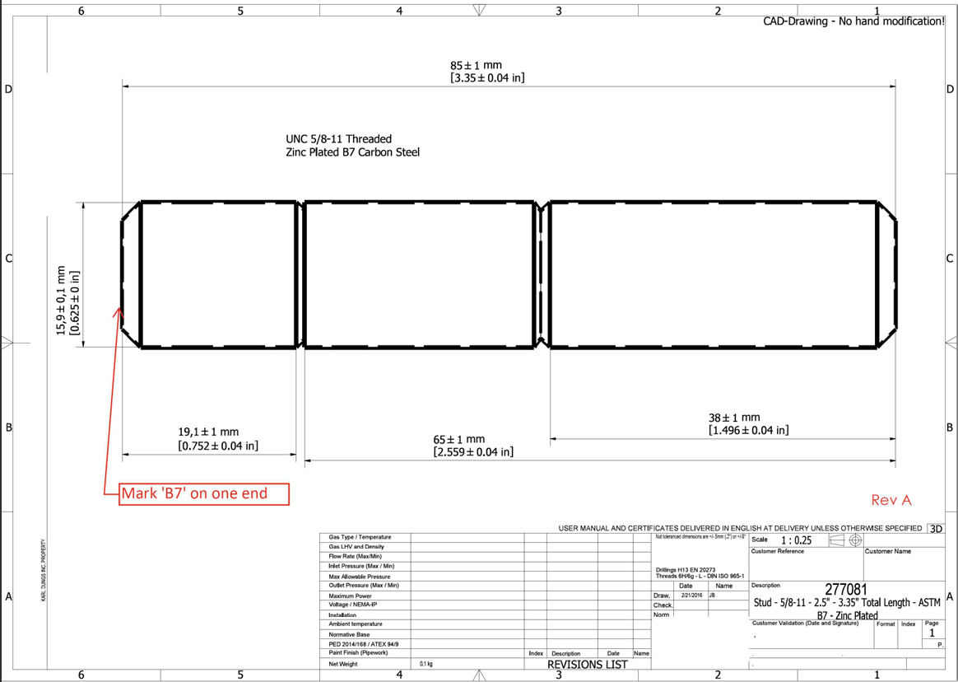

5
7

1

4
2
3

6

